Schedule
Ein Hoch auf die Azoren
AMR137 | 17 Tage | 08.07.2025 - 25.07.2025

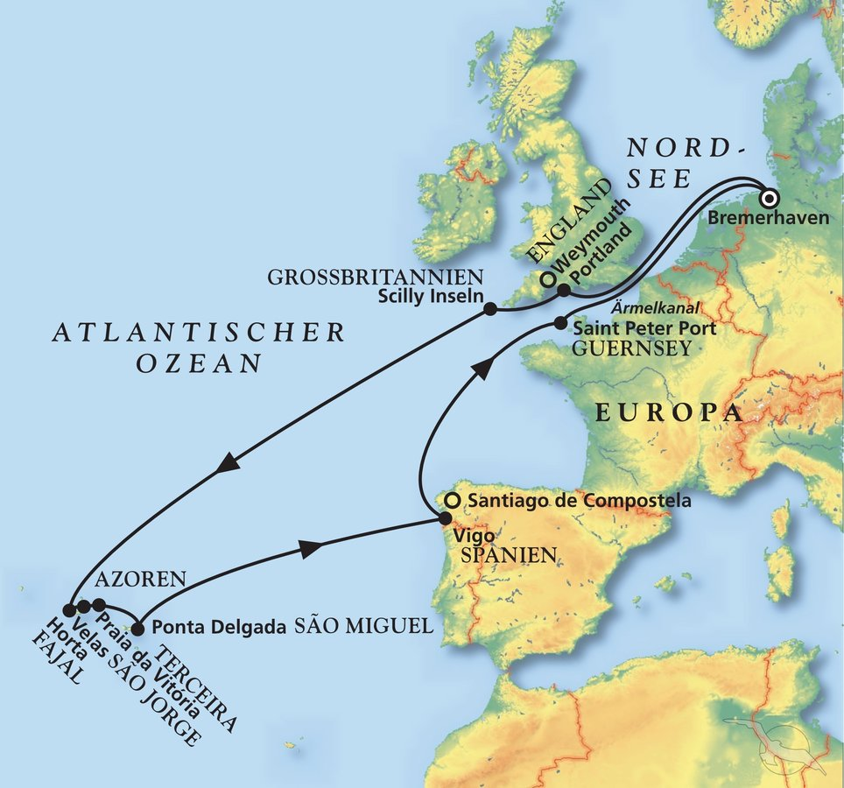
D | Date | Day | A/B/C | STA | STD | Port | Port Code
1 | 8-Jul-25 | 2025-07-08 | B | 8:00:00 | 19:00:00 | Bremerhaven | DEBRV
2 | 9-Jul-25 | 2025-07-09 | C | - | - | At Sea | -
3 | 10-Jul-25 | 2025-07-10 | B | 8:00:00 | 18:00:00 | Portland | GBPTL
4 | 11-Jul-25 | 2025-07-11 | A | 7:30:00 | 17:00:00 | St. Mary's, Isles of Scilly | GBHWZ
5 | 12-Jul-25 | 2025-07-12 | C | - | - | At Sea | -
6 | 13-Jul-25 | 2025-07-13 | C | - | - | At Sea | -
7 | 14-Jul-25 | 2025-07-14 | C | - | - | At Sea | -
8 | 15-Jul-25 | 2025-07-15 | B | 8:00:00 | 23:00:00 | Horta, Faial | PTHOR
9 | 16-Jul-25 | 2025-07-16 | A | 7:00:00 | 18:00:00 | Velas, Sao Jorge | PTVEL
10 | 17-Jul-25 | 2025-07-17 | B | 8:00:00 | 20:00:00 | Praia da Vitoria | PTPRV
11 | 18-Jul-25 | 2025-07-18 | B | 7:00:00 | 19:00:00 | Ponta Delgada | PTPDL
12 | 19-Jul-25 | 2025-07-19 | C | - | - | At Sea | -
13 | 20-Jul-25 | 2025-07-20 | C | - | - | At Sea | -
14 | 21-Jul-25 | 2025-07-21 | B | 8:00:00 | 15:00:00 | Vigo | ESVGO
15 | 22-Jul-25 | 2025-07-22 | C | - | - | At Sea | -
16 | 23-Jul-25 | 2025-07-23 | A | 12:00:00 | 18:00:00 | St. Peter Port, Guernsey | GGPSP
17 | 24-Jul-25 | 2025-07-24 | C | - | - | At Sea | -
- | 25-Jul-25 | 2025-07-25 | B | 8:00:00 | 18:00:00 | Bremerhaven | DEBRV

